Archi txt SQL
INSERT INTO `products` VALUES
(DEFAULT,'Remera 1','remera1.jpg',86,1,2,1,4,1900,10,NULL,NULL),
(DEFAULT,'Remera 2','remera2.jpg',86,1,1,5,1,900,5,NULL,NULL),
(DEFAULT,'Remera 3','remera3.jpg',86,1,4,1,1,700,10,NULL,NULL),
(DEFAULT,'Remera 4','remera4.jpg',86,1,1,5,1,1100,20,NULL,NULL),
(DEFAULT,'Remera 5','remera5.jpg',86,1,2,4,2,2325,30,NULL,NULL),
(DEFAULT,'Remera 6','remera6.jpg',86,1,1,5,3,800,10,NULL,NULL),
(DEFAULT,'Remera 7','remera7.jpg',86,1,5,2,3,800,0,NULL,NULL),
(DEFAULT,'Remera 8','remera8.jpg',86,1,4,2,3,900,10,NULL,NULL),
(DEFAULT,'Remera 9','remera9.jpg',86,1,3,4,2,1100,5,NULL,NULL),
(DEFAULT,'Remera 10','remera10.jpg',86,1,3,2,3,600,20,NULL,NULL),
(DEFAULT,'Remera 11','remera11.jpg',86,1,4,4,4,800,30,NULL,NULL),
(DEFAULT,'Buzo 1','buzo1.jpg',87,1,3,1,2,2500,0,NULL,NULL),
(DEFAULT,'Buzo 2','buzo2.jpg',87,1,3,4,1,2800,0,NULL,NULL),
(DEFAULT,'Buzo 3','buzo3.jpg',87,1,3,1,3,3100,10,NULL,NULL),
(DEFAULT,'Camisa 1','camisa1.jpg',88,1,5,3,4,3500,20,NULL,NULL),
(DEFAULT,'Camisa 2','camisa2.jpg',88,1,1,2,1,3200,0,NULL,NULL),
(DEFAULT,'Camisa 3','camisa3.jpg',88,1,2,3,3,3100,30,NULL,NULL);

Tablas SQL
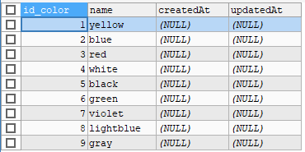
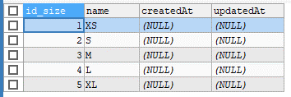
Remera | 86
Buzo | 87
Camisa | 88

